SF-S1. Instructions
Supplementary File
Effect size selection and assessment of strength and conditioning interventions: A Bayesian meta-analysis and interpretation approach.

Standard analyses of effect sizes suffer from multiple limitations including: 1) omission of uncertainty in estimates; 2) independence of analyses (e.g. each calculation starts anew withough including prior information); and 3) qualitative interpretation of effect sizes (e.g. labelling as "small", "medium" or "large") are based on arbitrary thresholds. The tool presented in this SF attempts to address each of these limitations. The meta-analyses of Swinton et al (2021a) and Swinton et al (2021b) identified small, medium and large effect size thresholds for the main testing outcomes in S&C. The meta-analyses also quantified prior distributions for each outcome type, such that new data can be combined with these priors so that analyses are not continually started anew and benefit from the knowledge of the most likely effect size values. The generation of posterior distributions are then used to express uncertainty in effect size estimates and calculate the probability that the intervention exceeds the context specific small, medium and large thresholds. The tool employs both standardised mean difference and percentage improvement effect sizes that feature different strengths and weaknesses (Swinton et al 2021).

The stages used in this tool comprise the following:

Stage 1: Use raw or summary data from intervention to calculate study independent effect sizes (both standardised mean difference and percentage change) and their associated within-study variance

Stage 2: The prior distribution is re-expressed so that the amount of information contained is equivalent to the new intervention with n participants.

Stage 3: The normally distributed prior and study specific data are combined to produce a normally distributed posterior.

Stage 4: The probability that the posterior distribution equals or exceeds context specific small, medium and large thresholds are calculated.

Stage 1

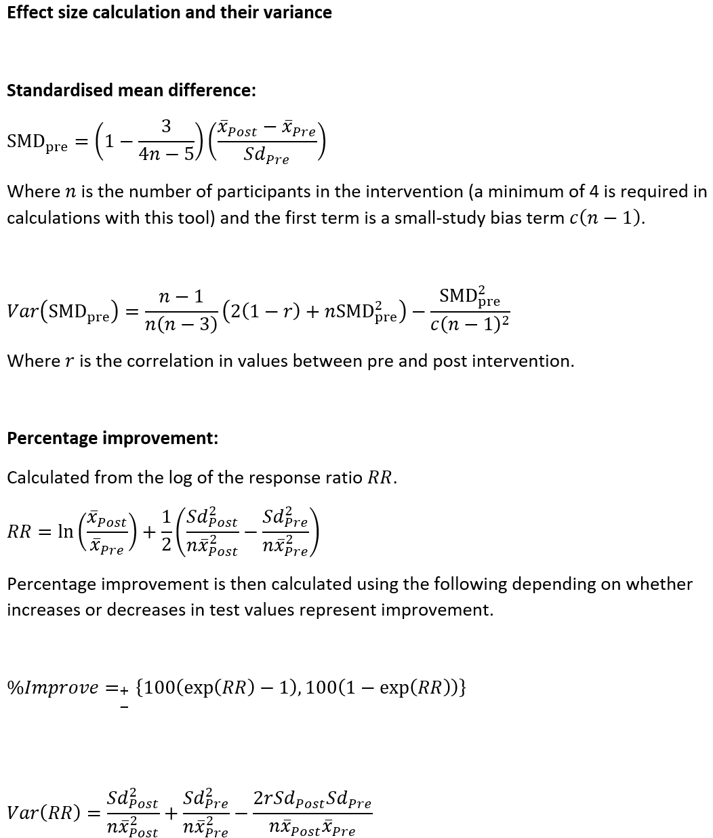

Stage 2
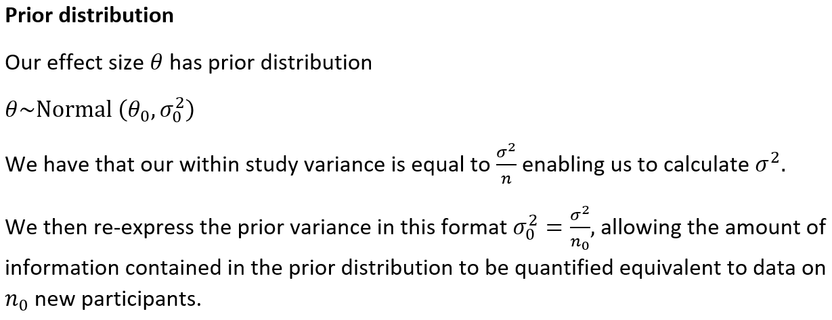

Stage 3

Stage 4

With a normally distributed posterior the probability that the effect size exceeds certain thresholds or lies between two specific values can be easily calculated.

SF-S2. Analysis Tool
SF-S2 | Bayesian Analysis Tool: Individual Data |  |  |  |  |  |  |  | Steps 3 and 4 will populate automatically once steps 1 and 2 are complete
Step 1
Step 3
Select the outcome measure type, number of participants and reflection |  | This file serves as a 'blank template' for up to 250 participants. Simply complete steps 1 and 2, plugging in the appropriate values (step 1) and copying and pasting the raw data (step 2). Only enter values in the yellow highlighted boxes. Ensure data is copied starting from participant 1. |  |  |  |  |  |  | Output: Effect sizes calculated directly from data

Outcome Measure |  |  |  |  |  |  |  |  | Intervention Pre mean | Intervention Post mean | Control Pre mean | Control Post mean

Number of intervention participants |  |  |  |  |  |  |  |  | Intervention Pre sd | Intervention Post sd | Control Pre sd | Control Post sd
Step 2
 |  |  | Input pre- and post-intervention data for the intervention group and if available the control group |  |  |  |  |  |  |  | 1.6
Number of control participants |  |  |  |  |  |  |  |  | 1.60 |  | Control adjusted | Control adjusted
 |  |  |  |  |  |  |  |  | Standardised mean difference | Percentage improvement | Standardised mean difference | Percentage improvement

Reflection
 |  |  |  |  |  |  |  |  | Standard error | Standard error | Standard error | Standard error
 |  |  |  | Individual participant data entry
 |  |  | Participant ID | Pre-Intervention Intervention Group | Post-Intervention Intervention Group | Pre-Intervention Control Group | Post-Intervention Control Group |  | 1.6
 |  |  | 1
Step 4
 |  |  | 2
 |  |  | 3 |  |  |  |  | Output: Bayesian posterior distribution of effect sizes and calculated probabilities
 |  |  | 4
 |  |  | 5
 |  |  | 6 |  |  |  |  |  |  |  | Control adjusted | Control adjusted
 |  |  | 7 |  |  |  |  |  | Standardised mean difference | Percentage improvement | Standardised mean difference | Percentage improvement
 |  |  | 8 |  |  |  |  |  | Prior mean | Prior mean | Prior mean | Prior mean
 |  |  | 9
 |  |  | 10
 |  |  | 11 |  |  |  |  |  | Standardised mean difference | Percentage improvement | Standardised mean difference | Percentage improvement
 |  |  | 12 |  |  |  |  |  | Prior sd | Prior sd | Prior sd | Prior sd
 |  |  | 13
 |  |  | 14
 |  |  | 15 |  |  |  |  | sigma^2
 |  |  | 16 |  |  |  |  | n0 |  |  | Control adjusted | Control adjusted
 |  |  | 17 |  |  |  |  |  | Standardised mean difference | Percentage improvement | Standardised mean difference | Percentage improvement
 |  |  | 18 |  |  |  |  |  | Posterior mean | Posterior mean | Posterior mean | Posterior mean
 |  |  | 19
 |  |  | 20
 |  |  | 21 |  |  |  |  |  | Standardised mean difference | Percentage improvement | Standardised mean difference | Percentage improvement
 |  |  | 22 |  |  |  |  |  | Posterior sd | Posterior sd | Posterior sd | Posterior sd
 |  |  | 23
 |  |  | 24
 |  |  | 25 |  |  |  |  |  |  | Error |  | Error
 |  |  | 26 |  |  |  |  |  | Probability of small or greater | Probability of small or greater | Probability of small or greater | Probability of small or greater
 |  |  | 27
 |  |  | 28
 |  |  | 29 |  |  |  |  |  |  | Error |  | Error
 |  |  | 30 |  |  |  |  |  | Probability of medium or greater | Probability of medium or greater | Probability of medium or greater | Probability of medium or greater
 |  |  | 31
 |  |  | 32
 |  |  | 33 |  |  |  |  |  |  | Error |  | Error
 |  |  | 34 |  |  |  |  |  | Probability of large or greater | Probability of large or greater | Probability of large or greater | Probability of large or greater
 |  |  | 35
 |  |  | 36
 |  |  | 37
 |  |  | 38
 |  |  | 39
 |  |  | 40
 |  |  | 41
 |  |  | 42
 |  |  | 43
 |  |  | 44
 |  |  | 45
 |  |  | 46
 |  |  | 47
 |  |  | 48
 |  |  | 49
 |  |  | 50
 |  |  | 51
 |  |  | 52
 |  |  | 53
 |  |  | 54
 |  |  | 55
 |  |  | 56
 |  |  | 57
 |  |  | 58
 |  |  | 59
 |  |  | 60
 |  |  | 61
 |  |  | 62
 |  |  | 63
 |  |  | 64
 |  |  | 65
 |  |  | 66
 |  |  | 67
 |  |  | 68
 |  |  | 69
 |  |  | 70
 |  |  | 71
 |  |  | 72
 |  |  | 73
 |  |  | 74
 |  |  | 75
 |  |  | 76
 |  |  | 77
 |  |  | 78
 |  |  | 79
 |  |  | 80
 |  |  | 81
 |  |  | 82
 |  |  | 83
 |  |  | 84
 |  |  | 85
 |  |  | 86
 |  |  | 87
 |  |  | 88
 |  |  | 89
 |  |  | 90
 |  |  | 91
 |  |  | 92
 |  |  | 93
 |  |  | 94
 |  |  | 95
 |  |  | 96
 |  |  | 97
 |  |  | 98
 |  |  | 99
 |  |  | 100
 |  |  | 101
 |  |  | 102
 |  |  | 103
 |  |  | 104
 |  |  | 105
 |  |  | 106
 |  |  | 107
 |  |  | 108
 |  |  | 109
 |  |  | 110
 |  |  | 111
 |  |  | 112
 |  |  | 113
 |  |  | 114
 |  |  | 115
 |  |  | 116
 |  |  | 117
 |  |  | 118
 |  |  | 119
 |  |  | 120
 |  |  | 121
 |  |  | 122
 |  |  | 123
 |  |  | 124
 |  |  | 125
 |  |  | 126
 |  |  | 127
 |  |  | 128
 |  |  | 129
 |  |  | 130
 |  |  | 131
 |  |  | 132
 |  |  | 133
 |  |  | 134
 |  |  | 135
 |  |  | 136
 |  |  | 137
 |  |  | 138
 |  |  | 139
 |  |  | 140
 |  |  | 141
 |  |  | 142
 |  |  | 143
 |  |  | 144
 |  |  | 145
 |  |  | 146
 |  |  | 147
 |  |  | 148
 |  |  | 149
 |  |  | 150
 |  |  | 151
 |  |  | 152
 |  |  | 153
 |  |  | 154
 |  |  | 155
 |  |  | 156
 |  |  | 157
 |  |  | 158
 |  |  | 159
 |  |  | 160
 |  |  | 161
 |  |  | 162
 |  |  | 163
 |  |  | 164
 |  |  | 165
 |  |  | 166
 |  |  | 167
 |  |  | 168
 |  |  | 169
 |  |  | 170
 |  |  | 171
 |  |  | 172
 |  |  | 173
 |  |  | 174
 |  |  | 175
 |  |  | 176
 |  |  | 177
 |  |  | 178
 |  |  | 179
 |  |  | 180
 |  |  | 181
 |  |  | 182
 |  |  | 183
 |  |  | 184
 |  |  | 185
 |  |  | 186
 |  |  | 187
 |  |  | 188
 |  |  | 189
 |  |  | 190
 |  |  | 191
 |  |  | 192
 |  |  | 193
 |  |  | 194
 |  |  | 195
 |  |  | 196
 |  |  | 197
 |  |  | 198
 |  |  | 199
 |  |  | 200
 |  |  | 201
 |  |  | 202
 |  |  | 203
 |  |  | 204
 |  |  | 205
 |  |  | 206
 |  |  | 207
 |  |  | 208
 |  |  | 209
 |  |  | 210
 |  |  | 211
 |  |  | 212
 |  |  | 213
 |  |  | 214
 |  |  | 215
 |  |  | 216
 |  |  | 217
 |  |  | 218
 |  |  | 219
 |  |  | 220
 |  |  | 221
 |  |  | 222
 |  |  | 223
 |  |  | 224
 |  |  | 225
 |  |  | 226
 |  |  | 227
 |  |  | 228
 |  |  | 229
 |  |  | 230
 |  |  | 231
 |  |  | 232
 |  |  | 233
 |  |  | 234
 |  |  | 235
 |  |  | 236
 |  |  | 237
 |  |  | 238
 |  |  | 239
 |  |  | 240
 |  |  | 241
 |  |  | 242
 |  |  | 243
 |  |  | 244
 |  |  | 245
 |  |  | 246
 |  |  | 247
 |  |  | 248
 |  |  | 249
 |  |  | 250

SF-S3. Analysis Tool
SF-S2 | Bayesian Analysis Tool: Individual Data |  |  |  |  |  |  | Steps 3 and 4 will populate automatically once steps 1 and 2 are complete
Step 1
Step 3
Select the outcome measure type, number of participants, reflection and correlation between prea and post scores |  | This file serves as a 'blank template' to include the summary data from a single study. Simply complete steps 1 and 2, plugging in the appropriate values. |  |  |  |  |  | Output: Effect sizes calculated directly from data

Outcome Measure |  |  |  |  |  |  |  | Intervention Pre mean | Intervention Post mean | Control Pre mean | Control Post mean

 |  |  |  |  |  |  |  |  |  | =IF(H23="","",(S12*C17*((U8-S8)/S11)))
Number of intervention participants |  |  |  |  |  |  |  | Intervention Pre sd | Intervention Post sd | Control Pre sd | Control Post sd
Step 2
 |  |  | Input pre- and post-intervention mean and standard deviation values for the intervention group and if available the control group |  |  |  |  |  |  | 1.6
Number of control participants |  |  |  |  |  |  |  | 1.60 |  | Control adjusted | Control adjusted
 |  |  |  |  |  |  |  | Standardised mean difference | Percentage improvement | Standardised mean difference | Percentage improvement

Reflection |  |  |  |  |  |  |  | 0 | 0 | 0
 |  |  |  |  |  |  |  | Standard error | Standard error | Standard error | Standard error
 |  |  | Group data entry
Correlation intervention |  |  | Pre-Intervention Group Mean | Pre-Intervention Group Sd | Post-Intervention Group Mean | Post-Intervention Group Sd |  | 1.6

Step 4
Correlation control |  |  | Pre-Control Group Mean | Pre-Control Group Sd | Post-Control Group Mean | Post-Control Group Sd | Output: Bayesian posterior distribution of effect sizes and calculated probabilities

 |  |  |  |  |  |  |  |  |  | Control adjusted | Control adjusted
 |  |  |  |  |  |  |  | Standardised mean difference | Percentage improvement | Standardised mean difference | Percentage improvement
 |  |  |  |  |  |  |  | Prior mean | Prior mean | Prior mean | Prior mean

 |  |  |  |  |  |  |  | Standardised mean difference | Percentage improvement | Standardised mean difference | Percentage improvement
 |  |  |  |  |  |  |  | Prior sd | Prior sd | Prior sd | Prior sd

 |  |  |  |  |  |  | sigma^2
 |  |  |  |  |  |  | n0 |  |  | Control adjusted | Control adjusted
 |  |  |  |  |  |  |  | Standardised mean difference | Percentage improvement | Standardised mean difference | Percentage improvement
 |  |  |  |  |  |  |  | Posterior mean | Posterior mean | Posterior mean | Posterior mean

 |  |  |  |  |  |  |  | Standardised mean difference | Percentage improvement | Standardised mean difference | Percentage improvement
 |  |  |  |  |  |  |  | Posterior sd | Posterior sd | Posterior sd | Posterior sd

 |  |  |  |  |  |  |  |  | Error |  | Error
 |  |  |  |  |  |  |  | Probability of small or greater | Probability of small or greater | Probability of small or greater | Probability of small or greater

 |  |  |  |  |  |  |  |  | Error |  | Error
 |  |  |  |  |  |  |  | Probability of medium or greater | Probability of medium or greater | Probability of medium or greater | Probability of medium or greater

 |  |  |  |  |  |  |  |  | Error |  | Error
 |  |  |  |  |  |  |  | Probability of large or greater | Probability of large or greater | Probability of large or greater | Probability of large or greater

